Ridge Regularization Param
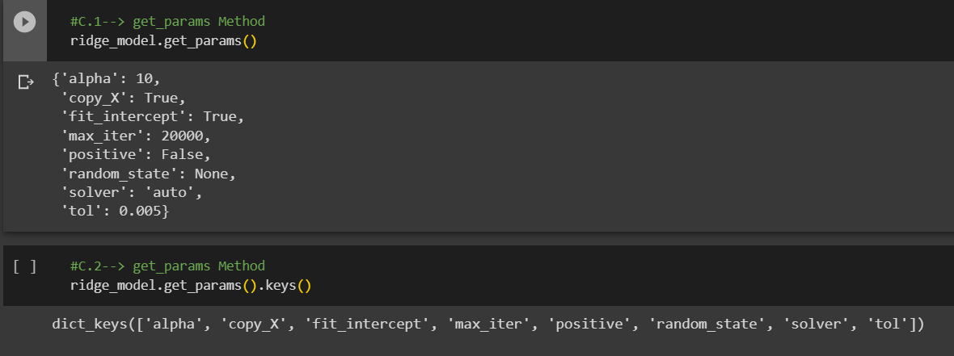
1.PRACTICAL IMPLEMENTATION (CODING ) OF VARIOUS HYPER PARAMETER FOR RIDGE REGULARIZATION

①HYPER PARAMATER FOR RIDGE REGULARIZATION | REFERENCE

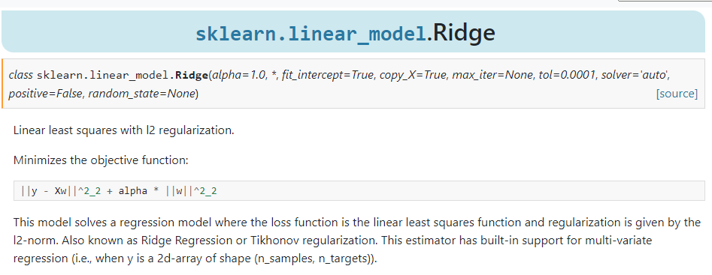 | ⇰REFERENCE (Website)--> Scikit Learn Regarding Practical Implementation & Various Hyper Parameter /Attributes & Methods Possible to Encode in Ridge Regularization Model | ⇰REFERENCE (Excel Sheet)--> 2.4 (i) Excel Sheet Regarding Definition of Regularization Ridge & Understading Meaning With Basic Mathematical Formulas & Figure.

 | ⇰REFERENCE (Website)--> Udemy Regarding Thereotical Implementation & Conceptual Understanding of Ridge Regularization | ⇰REFERENCE (Excel Sheet)-->2.4 (ii) Excel Sheet Regarding Understanding Regularization Concept With Diagramatic Illustration by Udemy

① PARAMETERS FOR RIDGE REGULARIZATION

 | ⇰REFERENCE (Website)-->Udemy Regarding Practical Implementation & (Coding) of Ridge Regularization With Various Parameters (Python Implementation)

IMPERATIVE / FUNDAMENTAL HYPER PARAMETER FOR MODEL

⇰alpha{float, ndarray of shape (n_targets,)}, default=1.0 -->(λ)==>alpha ❶Ridge regression is one of the types of linear regression in which a small amount of bias (λ) is introduced so that we can get better long-term predictions. ❷(λ) Constant that multiplies the L2 term, controlling regularization strength. alpha (λ) must be a non-negative float i.e. in [0, inf).When alpha = 0, the objective is equivalent to ordinary least squares, solved by the LinearRegression object. For numerical reasons, using alpha = 0 with the Ridge object is not advised. Instead, you should use the LinearRegression object.If an array is passed, penalties are assumed to be specific to the targets. Hence they must correspond in number. ❸In the above equation, the (λ) penalty term regularizes the coefficients of the model, and hence ridge regression reduces the amplitudes of the coefficients that decreases the complexity of the model. ❹As we can see from the above equation, if the values of λ tend to zero, the equation becomes the cost function of the linear regression model. Hence, for the minimum value of λ, the model will resemble the linear regression model. | ⇰REFERENCE (Website)-->Scikit Learn Regarding Various Hyper Parameter 's Computation for Ridge Regularization Model

 | ⇰REFERENCE (Website)--> Udemy Regarding Thereotical Implementation & Conceptual Understanding of Ridge Regularization

SUPPORTING HYPER PARAMETER FOR MODEL
 | ⇰REFERENCE (Website)-->Udemy Regarding Practical Implementation & (Coding) of Ridge Regularization With Various Parameters (Python Implementation)
⇰fit_intercept :bool, default=True : ❶ Whether to calculate the intercept for this model. If set to False, no intercept will be used in calculations (i.e. data is expected to be centered). ❷Basically in Simple Terminology --> fit_intercept=False sets the y-intercept to 0. If fit_intercept=True, the y-intercept will be determined by the line of best fit.

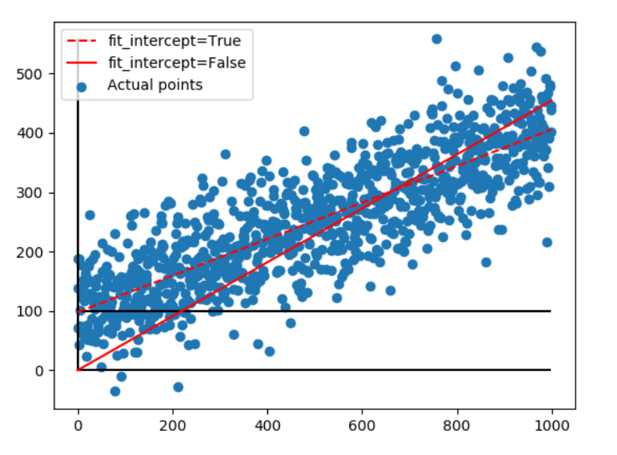
 | ⇰REFERENCE(Website)->Stackoverflow Regarding Param (fit_intercept)

 | ⇰REFERENCE(Website)->Scikit Learn Regarding Param (fit_intercept)

 | ⇰REFERENCE (Website)--> Stackoverflow Regarding fit_intercept=True , fit_intercept=False

⇰solver{‘auto’, ‘svd’, ‘cholesky’, ‘lsqr’, ‘sparse_cg’, ‘sag’, ‘saga’, ‘lbfgs’}, default=’auto’ ∎Solver to use in the computational routines: ❶‘auto’==>Chooses the solver automatically based on the type of data. ❷‘svd’==>Uses a Singular Value Decomposition of X to compute the Ridge coefficients. It is the most stable solver, in particular more stable for singular matrices than ‘cholesky’ at the cost of being slower. ❸‘cholesky’==> Uses the standard scipy.linalg.solve function to obtain a closed-form solution. ❹‘sparse_cg’ ==>uses the conjugate gradient solver as found in scipy.sparse.linalg.cg. As an iterative algorithm, this solver is more appropriate than ‘cholesky’ for large-scale data (possibility to set tol and max_iter). ❺‘lsqr’==>Uses the dedicated regularized least-squares routine scipy.sparse.linalg.lsqr. It is the fastest and uses an iterative procedure. ❻‘sag’==>Uses a Stochastic Average Gradient descent, and ‘saga’ uses its improved, unbiased version named SAGA. Both methods also use an iterative procedure, and are often faster than other solvers when both n_samples and n_features are large. Note that ‘sag’ and ‘saga’ fast convergence is only guaranteed on features with approximately the same scale. You can preprocess the data with a scaler from sklearn.preprocessing.The SAGA solver is a variant of SAG that also supports the non-smooth penalty L1 option (i.e. L1 Regularization) & It's also suitable for very Large dataset. ❼‘lbfgs’ ==>Uses L-BFGS-B algorithm implemented in scipy.optimize.minimize. It can be used only when positive is True.

 | ⇰REFERENCE (Website)-->Scikit Learn Regarding Various Hyper Parameter 's Computation for Ridge Regularization Model

 | ⇰REFERENCE (Website)--> Udemy Regarding Thereotical Implementation & Conceptual Understanding of Ridge Regularization

 | ⇰REFERENCE (Website)-->Udemy Regarding Practical Implementation & (Coding) of Ridge Regularization With Various Parameters (Python Implementation)

⇰copy_X:bool, default=True : ❶ If True, X will be copied; else, it may be overwritten. ❷Basically in Simple Terminology If True, X will be copied; else, it may be overwritten.The input X, when you try to fit/etc the model will, if the flag is set to true (default), be copied for use within the function. This means that the original X you passed as a parameter will be the same after the fit/etc has been performed.If you set the flag to false, there is a chance that the X you pass in will NOT be the same as it was before you ran fit/etc. ❸ Basically in Other Word The input X, when you try to fit/etc the model will, if the flag is set to true (default), be copied for use within the function. This means that the original X you passed as a parameter will be the same after the fit/etc has been performed.If you set the flag to false, there is a chance that the X you pass in will NOT be the same as it was before you ran fit/etc. Basically there will be slight chance regarding change in X Parameter. | ⇰REFERENCE(Website)->Scikit Learn Regarding Param (copy_X) | max_iter-->The maximum number of iterations.

 |  | ❶max_iter=1000 When the Iteration By 1000 Times then It is not able to find Convergence (Optimal Point) Because of the reason given above Text Line. So to Create Convergence we need to Further Optimize Our Model

 | ⇰REFERENCE(Website)->Stackoverflow Regarding Param (copy_X) |  |  | ⇰REFERENCE (Website)--> 1.4 (OLD) Regularization , Ridge , LASSO, Elastic Net Regarding Practical Implementation at Parameter max_iter=1000 What Kind of Output it Yield it now?

 | ⇰REFERENCE (Website)--> Scikit Learn Regarding Practical Implementation & Various Hyper Parameter /Attributes & Methods Possible to Encode in Ridge Regularization Model

⇰positive:bool, default=False ❶When set to True, forces the coefficients to be positive. Only ‘lbfgs’ solver is supported in this case. | ⇰REFERENCE (Website)--> Scikit Learn Regarding Practical Implementation & Various Hyper Parameter /Attributes & Methods Possible to Encode in Ridge Regularization Model

 |  | ❷max_iter=100000 When Iteration is approx 1000000 Times obviously it will gonna take longer time but it yield very optimize result that's why there is higher chance of convergence .
⇰max_iter : int, default=None ❶Maximum number of iterations for conjugate gradient solver. For ‘sparse_cg’ and ‘lsqr’ solvers, the default value is determined by scipy.sparse.linalg. For ‘sag’ solver, the default value is 1000. For ‘lbfgs’ solver, the default value is 15000. ❷In Simple Words max_iter is an integer ( 100 by default) that defines the maximum number of iterations by the solver during model fitting. | ⇰REFERENCE (Website)-->Udemy Regarding Practical Implementation & (Coding) of Ridge Regularization With Various Parameters (Python Implementation)
 |  |  |  | ⇰REFERENCE (Website)--> 1.4 (OLD) Regularization , Ridge , LASSO, Elastic Net Regarding Practical Implementation at Parameter max_iter=100000 What Kind of Output it Yield it now?

⇰tol: float, default=1e-4 ❶Precision of the solution. Note that tol has no effect for solvers ‘svd’ and ‘cholesky’. ❷In Simple Words As you noted, tol is the tolerance for the stopping criteria. This tells scikit to stop searching for a minimum (or maximum) once some tolerance is achieved, i.e. once you're close enough. tol will change depending on the objective function being minimized and the algorithm they use to find the minimum, and thus will depend on the model you are fitting. There is no universal tolerance to scikit. ❸On a very high level, many machine learning task can be formulated into a "iterative process" to get all the parameters in the model, but when should we stop the iteration? There are different ways to stop . ∎Limit number of iterations ∎Check if the parameters converge (do not change over iterations) ∎Check some other metrics (such as gradient, gap be beteween primal and dual) ∎Many more | ⇰REFERENCE (Website)-->Stacks Exchange Regarding Meaning of Tolerance 's Param & How exactly is tol (tolerance) used as stopping criteria in sklearn models?

 |  | ⇰What if Tolerance level = 0.005 ?
 |  | ❶Here The Tolerance Level (toi) is 0.005 We can see this Coefficients in terms of Lasso Where various less wieghtated coefficients turn to zero ( Basically to eliminate unnecessary coefficient ) As compared to Where tolerance level = 0.5 where all sorts of coefficients (Feature) is included and every features have an impact on the given equation. ❷Here Change in Tolerance (toi) Having a direct impact on Coeff Level of thier weightage pl see above code cell.

 |  |  | ⇰REFERENCE (Website)--> 1.4 (OLD) Regularization , Ridge , LASSO, Elastic Net Regarding Practical Implementation at Parameter tol=0.005 What Kind of Output it Yield it now?

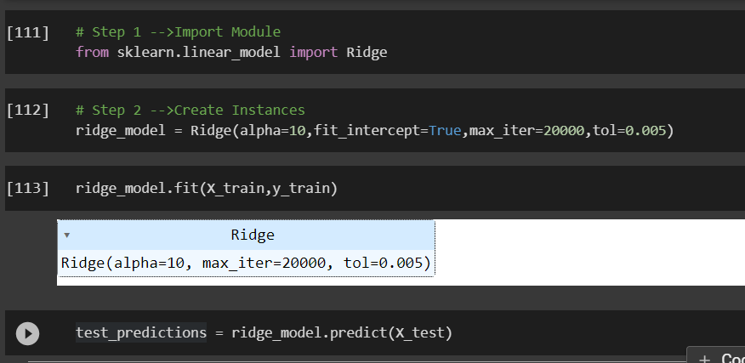 | ⇰REFERENCE (Website)-->1.4 (ii) Google Colab Practical (Coding) Ridge Regularization Regarding Practical Implementation (Coding) of Ridge Regularization Model

②ATTRIBUTES FOR RIDGE REGULARIZATION | ⇰REFERENCE(Website)->Statistics By Jim Regarding Attribute (coef_)

⇰coef_:array of shape (n_features, ) or (n_targets, n_features) ❶The coef_ gives the coefficient of the features of your dataset. ❷In (Simple Term) linear regression, coefficients are the values that multiply the predictor values. Suppose you have the following regression equation: y = 3X + 5. In this equation, +3 is the coefficient, X is the predictor, and +5 is the constant. ❸Basically Acc to me Coef_ mean Importance of Each & Every Feature (x1 ,x2,x3) or Effectiveness of particluar feature on Output (y).In other word Propensity change in (x1,x2,x3) Independent Variable that makes change in y (output) (Dependent Variable).
 | ⇰REFERENCE(Website)->MiniTab21 (Thereotical Obviously For Understanding Purpose) By Jim Regarding Attribute (coef_) | ⇰REFERENCE (Website)--> Scikit Learn Regarding Practical Implementation & Various Hyper Parameter /Attributes & Methods Possible to Encode in Ridge Regularization Model

 | ⇰REFERENCE(Website)->Udemy Model Deployment & Coefficient Regarding Attribute (coef_)

 | ⇰REFERENCE (Website)-->Active State Regarding Overall Information Regarding Parameters & Basics of Linear Regression

⇰intercept_: float or array of shape (n_targets) →Independent term in the linear model. Set to 0.0 if fit_intercept = False. In other word if Parameter intercept =False then Intercept =0 . First Understand What is Intercept Means ❶The Slope and Intercept are the very important concept of Linear regression. ❷ The slope indicates the steepness of a line and the intercept indicates the location where it intersects an axis. ❸If we set the Intercept as False then, no intercept will be used in calculations (e.g. data is expected to be already centered. ❹Obviously It is Giving Intercept Because we had set fit_intecept =True So this Model Giving Actual Intercept |  | ⇰REFERENCE (Website)--> Scikit Learn Regarding Practical Implementation & Various Hyper Parameter /Attributes & Methods Possible to Encode in Ridge Regularization Model

 | ⇰REFEREMCE (Website)-->1.4 (ii) Google Colab Practical (Coding) Ridge Regularization Regarding Computation of Attributes '-->(coef_) in Regularization Model

 | ⇰REFERENCE(Website)->Stackoverflow Regarding Attribute(intercept_)


 | ⇰REFERENCE(Website)->The Analysis Factor Regarding Attribute(intercept_)

 | ⇰REFERENCE(Website)->Scikit Learn Regarding Attribute(intercept_)

 | ⇰REFERENCE (Website)-->1.4 (ii) Google Colab Practical (Coding) Ridge Regularization Regarding Computation of Attributes--> intercept_ in Ridge Regularization Model

 |  | ⇰REFERENCE (Website)--> Scikit Learn Regarding Practical Implementation & Various Hyper Parameter /Attributes & Methods Possible to Encode in Ridge Regularization Model

⇰n_features_in_:int ❶Number of features seen during fit. In Simple Words Number of features seen during fit . Only defined if best_estimator_ is defined (see the documentation for the refit parameter for more details) and that best_estimator_ exposes feature_names_in_ when fit. ❷Basically in Simple Words Number of Feature (Independent Variable) that Given Dataset have For Example In this Given Dataset There is Only 3 Features That is [Newspaper],[Radio],[TV]

 | ⇰REFERENCE(Website)->Scikit ,feature_selection Regarding Attribute (feature_names_in_)

 | ⇰REFERENCE (Website)-->Scikit Learn (SLEEP) Regarding Parameter (n_features_in)

 | ⇰REFERENCE (Website)-->1.4 (ii) Google Colab Practical (Coding) Ridge Regularization Regarding Computation of Attributes --> n_features_in_ in Ridge Regulariation Model

⇰feature_names_in_:ndarray of shape (n_features_in_,) ❶Names of features seen during fit. Defined only when X has feature names that are all strings. Basically in Other Word it Defines the Names of All Features (Independent Variable) (X1 [TV] ,X2[Radio],X3[Newspaper] That are Available in the Given Dataset. | ⇰REFERENCE (Website)--> Scikit Learn Regarding Practical Implementation & Various Hyper Parameter /Attributes & Methods Possible to Encode in Ridge Regularization Model

③METHODS FOR RIDGE REGULARIZATION

 | ⇰REFERENCE (Website)--> Scikit Learn Regarding Practical Implementation & Various Hyper Parameter /Attributes & Methods Possible to Encode in Ridge Regularization Model

⇰fit(X, y, sample_weight=None) ❶Fit Ridge Regression Model. | ⇰REFERENCE(Website)-->Medium Regarding fit() vs predict() vs fit_predict() in Python scikit-learn

 | ⇰REFERENCE (Website)-->1.4 (ii) Google Colab Practical (Coding) Ridge Regularization Regarding Computation of Methods --> fit in Ridge Regulariation Model

⇰predict(X) ❶Predict using the Linear models . (Linear models are a way of describing a response variable in terms of a linear combination of predictor variables. The response should be a continuous variable and be at least approximately normally distributed model.)

 | ⇰REFERENCE (Website)--> Scikit Learn Regarding Practical Implementation & Various Hyper Parameter /Attributes & Methods Possible to Encode in Ridge Regularization Model

⇰score(X, y, sample_weight=None) ❶Return the coefficient of determination of the prediction. ❷Scorer Metric is used for the purpose for finding what kind of evaluation Criteria is used in Given Data set for the purpose of Finding Out the Error. |  | REFERENCE (Website)-->[Scikit Learn Regarding Metric Scoring Or Various Types of Metric Scoring

 | ⇰REFERENCE (Website)-->1.4 (ii) Google Colab Practical (Coding) Ridge Regularization Regarding Practical Implementation (Coding) of Method score()



 |  | ⇰REFERENCE (Website)-->[1.5 Google Colab CROSS VALIDATION (CV) (SCORING METRICS) Regarding Practical Implementation (Coding) of SCORING METRICS

 | ⇰REFERENCE (Website)-->Scikit Learn Regarding Method Score() in Ridge Regularization Model

 |  | ⇰REFERENCE (Excel Sheet)-->2.5 (ii) Cross Validation & Various SCORING Metrics Regarding Various Information Regards SCORING METRICS

⇰set_params(params) ❶Set the parameters of this estimator . (Basically in this case We set new scoring parameter from 'accuracy' to 'neg_mean_square_error') . ❷In simple words set_params (Setting or Readjusting any Hyper Parameter again with New Param) ,We can Perform Readjustment or Reconfiguration of any Hyper Parameter for Given Model & then Re-run the Model. | ⇰REFERENCE (Website)--> Scikit Learn Regarding Practical Implementation & Various Hyper Parameter /Attributes & Methods Possible to Encode in Ridge Regularization Model

 | ⇰REFERENCE (Website)-->1.4(ii) Google Colab Regularization Ridge Regarding Theoritical & Practical Implementation (Coding) Regarding Methods --> set_params()

⇰get_params(deep=True) ❶This hyper parameter will help to find best estimator 's hyper parameter. ❷ In 2nd Instance we had seen that we Create get_params by using calling keys & display result in in List Format | ⇰REFERENCE (Website)-->1.4 (ii) Google Colab Practical (Coding) Ridge Regularization Regarding Computation of Methods --> get_params in Ridge Regulariation Model

Ridge (CV)Cross Validation
 | 2.RIDGE CROSS VALIDATION (RIDGE CV) | REFERENCE

 | ①Multicollinearity | ⇰REFERENCE (Website)-->Investopedia Regarding Thereotical & Conceptual Understanding of Multicollinearity for Regression Type of Dataset | ⇰REFERENCE (Excel Sheet)--> 2.4 (i) Excel Sheet Regarding Definition of Regularization Ridge & Understading Meaning With Basic Mathematical Formulas & Figure.
 | ❶In statistics, multicollinearity is a phenomenon in which one predictor variable in a multiple regression model can be linearly predicted from the others with a substantial degree of accuracy. ❷Multicollinearity is the occurrence of high intercorrelations among two or more independent variables in a multiple regression model. Multicollinearity can lead to skewed or misleading results when a researcher or analyst attempts to determine how well each independent variable can be used most effectively to predict or understand the dependent variable in a statistical model.

 |  | ⇰REFERENCE (Website)-->Wikipedia Regarding Thereotical Conceptual Meaning of Multicollinearity | ⇰REFERENCE (Excel Sheet)-->2.4 (ii) Excel Sheet Regarding Understanding Regularization Concept With Diagramatic Illustration by Udemy

 | ②WHAT IS RIDGE CROSS VALIDATION (RIDGE CV) ?

 | ⇰RidgeCV is cross validation method in ridge regression. Ridge Regression is a special case of regression which is normally used in datasets which have multicollinearity. ⇰Ridge regression with built-in cross-validation.It almost works in same way excepts it defaults to Leave-One-Out cross validation. | ⇰REFERENCE (Website)-->Scikit Learn Regarding Practical & Thereotical Concept of Ridge With Cross Validation (Ridge CV)

 | ③DIFFERENCE IN BETWEEN GRID SEARCH CV & RIDGE REGULARIZATION CV
 |  | ⇰REFERENCE (Website)--> Stackoverflow Regarding Practical Implementation & Difference in Between Usage of Grid Search (CV) & Ridge (CV)
 | ∎RidgeCV() also searches on a set of hyperparameters, and given a similar kernel in GridSearchCV() along with similar parameters would there be any difference in the results of the two? ⇰RidgeCV implements cross validation for ridge regression specifically, while with GridSearchCV you can optimize parameters for any estimator, including ridge regression.

 | ④RIDGE REGULARIZATION CV (RIDGE CV) BY UDEMY (IN SIMPLER WORDS) | ⇰REFERENCE (Website)-->Machine Learning HD Regarding Thereotical & Practical Implementation Regarding Usage of Ridge CV as well as with Grid Search CV | ⇰REFERENCE (Excel Sheet)--> 2.4 (i) Excel Sheet Regarding Definition of Regularization Ridge & Understading Meaning With Basic Mathematical Formulas & Figure.

 | ⇰So what Ridge CV does is it's actually going to perform cross validation for a variety of alpha values here& then what it's going to do is it's going to report back the best alpha value performance based of this no of K folds need to use cross validation & recall cross validation in this case is just going to get the average error metric for all of these.

 | 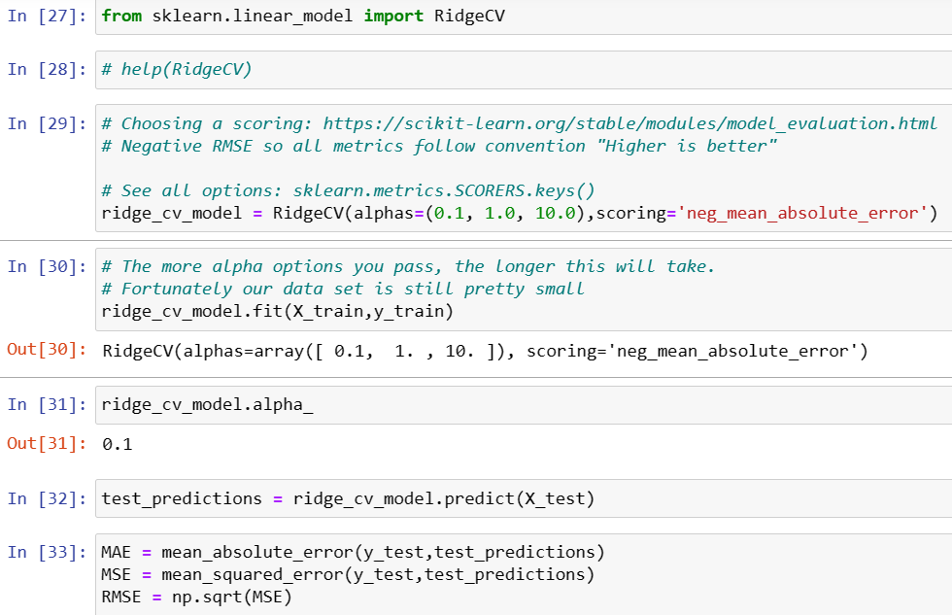 | ⇰REFERENCE (Website)-->Udemy Regarding Thereotical & Practical Implementation of Ridge CV (Ridge Cross Validation)

 | ⑤HYPER PARAMETER FOR RIDGE CROSS VALIDATION (RIDGE CV)

 |  | ⇰REFERENCE (Website)-->Scikit Learn Regarding Practical & Thereotical Concept of Ridge With Cross Validation (Ridge CV) | ⇰REFERENCE (Excel Sheet)--> 2.4 (i) Excel Sheet Regarding Definition of Regularization Ridge & Understading Meaning With Basic Mathematical Formulas & Figure.

 |  | ⇰REFERENCE (Website)-->Udemy Regarding Thereotical & Practical Implementation of Ridge CV (Ridge Cross Validation)

 | IMPERATIVE / FUNDAMENTAL HYPER PARAMETER FOR MODEL

 | ⇰alpha{float, ndarray of shape (n_targets,)}, default=1.0 -->(λ)==>alpha ❶Ridge regression is one of the types of linear regression in which a small amount of bias (λ) is introduced so that we can get better long-term predictions. ❷(λ) Constant that multiplies the L2 term, controlling regularization strength. alpha (λ) must be a non-negative float i.e. in [0, inf).When alpha = 0, the objective is equivalent to ordinary least squares, solved by the LinearRegression object. For numerical reasons, using alpha = 0 with the Ridge object is not advised. Instead, you should use the LinearRegression object.If an array is passed, penalties are assumed to be specific to the targets. Hence they must correspond in number. ❸In the above equation, the (λ) penalty term regularizes the coefficients of the model, and hence ridge regression reduces the amplitudes of the coefficients that decreases the complexity of the model. ❹As we can see from the above equation, if the values of λ tend to zero, the equation becomes the cost function of the linear regression model. Hence, for the minimum value of λ, the model will resemble the linear regression model. ❺ Array of alpha values to try. Regularization strength; must be a positive float. Regularization improves the conditioning of the problem | ⇰REFERENCE (Website)-->Scikit Learn Regarding Practical & Thereotical Concept of Ridge With Cross Validation (Ridge CV)

 |  | ⇰REFERENCE (Website)-->Udemy Regarding Thereotical & Practical Implementation of Ridge CV (Ridge Cross Validation)

 | ⇰fit_intercept :bool, default=True : ❶ Whether to calculate the intercept for this model. If set to False, no intercept will be used in calculations (i.e. data is expected to be centered). ❷Basically in Simple Terminology --> fit_intercept=False sets the y-intercept to 0. If fit_intercept=True, the y-intercept will be determined by the line of best fit. | ⇰REFERENCE(Website)->Stackoverflow Regarding Param (fit_intercept)

 |  | ⇰REFERENCE (Website)--> Stackoverflow Regarding fit_intercept=True , fit_intercept=False

 |  | ⇰REFERENCE (Website)-->Scikit Learn Regarding Practical & Thereotical Concept of Ridge With Cross Validation (Ridge CV)

 |  | ⇰REFERENCE (Website)-->Udemy Regarding Thereotical & Practical Implementation of Ridge CV (Ridge Cross Validation)

 |  | ⇰REFERENCE (Website)-->Scikit Learn Regarding Practical & Thereotical Concept of Ridge With Cross Validation (Ridge CV)

 | ⇰scoring:str, callable, default=None ❶A string (see model evaluation documentation) or a scorer callable object / function with signature scorer(estimator, X, y). If None, the negative mean squared error if cv is ‘auto’ or None (i.e. when using leave-one-out cross-validation), and r2 score otherwise. ❷Scorer Metric is used for the purpose for finding what kind of evaluation Criteria is used in Given Data set for the purpose of Finding Out the Error. ❸Pl understand difference in between in Negative_mean_absolute_error& Positive_mean_absolute_ error. ❹Remember higher the negative number lower will be the value that's the solution for your negative_mean_absolute_error | ⇰REFERENCE (Website)-->Udemy Regarding L2 Regularization & Practical Implementation of SCORER METRIC Usage in Polynomial Regression | ⇰REFERENCE (Excel Sheet)-->2.5 (ii) Cross Validation & Various SCORING Metrics Regarding Various Information Regards SCORING METRICS | ⇰REFERENCE (Website)-->[1.5 Google Colab CROSS VALIDATION (CV) (SCORING METRICS) Regarding Practical Implementation (Coding) of SCORING METRICS

 |  | ⇰REFERENCE (Website)-->Scikit Learn Regarding Metric Scoring Or Various Types of Metric Scoring

 | SUPPORTING HYPER PARAMETER FOR MODEL | ⇰Stackoverflow Regarding Negative mean absolute error in scikit-learn?

 | ⇰cv:int, cross-validation generator or an iterable, default=None : ❶Determines the cross-validation splitting strategy. Possible inputs for cv are: ⇒ None, to use the efficient Leave-One-Out cross-validation ⇒ Integer, to specify the number of folds. ⇒ CV splitter ⇒ An iterable yielding (train, test) splits as arrays of indices. ❷Basically in Simple Words description of Cross Validation, this is just the integer and it's the integer of how many folds you're going to do in the cross validation.So if you leave it to none, it's going to use the efficient leave one out cross validation (LOOCV). Keep in mind, if you have a huge data set, that could take a lot of time.So instead what you may want to do is actually recall something like CV ,K= 10 or something like that.So this is essentially the CVE K number of folds.For our use case.This data sets actually small enough that it's not too bad to just do leave one out cross-validation.

 |  | ⇰REFERENCE (Website)-->Khan Academy Regarding Concept of Ordering Negative Number

 |  | ⇰REFERENCE (Website)-->Udemy Regarding Thereotical & Practical Implementation of Ridge CV (Ridge Cross Validation)

 | 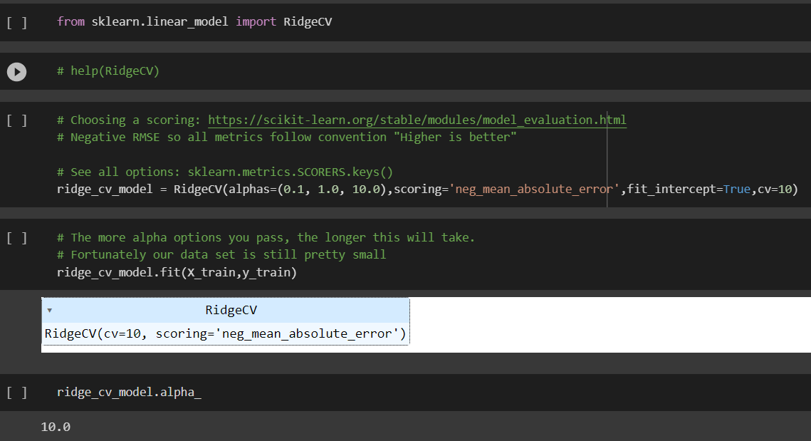 | ⇰REFERENCE (Website)-->1.4 (ii) (Google Colab) ML Regularization (Ridge CV) Regarding Practical Implementation (Coding) of Ridge Cross Validation Model

 |  | ⇰REFERENCE (Website)-->Udemy Regarding Thereotical & Practical Implementation of Ridge CV (Ridge Cross Validation)

 | ⇰alpha_per_target:bool, default=False (λ)==>alpha) ❶Flag indicating whether to optimize the alpha value (picked from the alphas parameter list) for each target separately (for multi-output settings: multiple prediction targets). When set to True, after fitting, the alpha_ attribute will contain a value for each target. When set to False, a single alpha is used for all targets. ❷In Simple Words Prediction Target ==> Will Be the Output So Do we need to optimize alpha (λ)=True value from param list for each target(X_train) to yield test_predictions separately or Do we need alpha (λ) =False in which a single alpha (λ) value used for all targets (X_tran) to find test_predictions? | ⇰REFERENCE (Website)-->1.4 (ii) (Google Colab) ML Regularization (Ridge CV) Regarding Practical Implementation (Coding) of Method alpha_per_target in Ridge Cross Validation Model

 |  | ⇰REFERENCE (Website)-->Scikit Learn Regarding Practical & Thereotical Concept of Ridge With Cross Validation (Ridge CV)

 | ⑥ATTRIBUTES FOR RIDGE CROSS VALIDATION (RIDGE CV)

 | ⇰coef_:array of shape (n_features, ) or (n_targets, n_features) ❶The coef_ gives the coefficient of the features of your dataset. ❷In (Simple Term) linear regression, coefficients are the values that multiply the predictor values. Suppose you have the following regression equation: y = 3X + 5. In this equation, +3 is the coefficient, X is the predictor, and +5 is the constant. ❸Basically Acc to me Coef_ mean Importance of Each & Every Feature (x1 ,x2,x3) or Effectiveness of particular feature on Output (y).In other word Propensity change in (x1,x2,x3) Independent Variable that makes change in y (output) (Dependent Variable). ❹ Weight vector(s). | ⇰REFERENCE (Website)-->Scikit Learn Regarding Practical & Thereotical Concept of Ridge With Cross Validation (Ridge CV)

 |  | ⇰REFERENCE (Website)-->Udemy Regarding Thereotical & Practical Implementation of Ridge CV (Ridge Cross Validation)

 |  | ⇰REFERENCE (Website)-->1.4 (ii) (Google Colab) ML Regularization (Ridge CV) Regarding Practical Implementation of Attributes of coef_

 | ⇰intercept_: float or array of shape (n_targets) →Independent term in the linear model. Set to 0.0 if fit_intercept = False. In other word if Parameter intercept =False then Intercept =0 . First Understand What is Intercept Means ❶The Slope and Intercept are the very important concept of Linear regression. ❷ The slope indicates the steepness of a line and the intercept indicates the location where it intersects an axis. ❸If we set the Intercept as False then, no intercept will be used in calculations (e.g. data is expected to be already centered. ❹Obviously It is Giving Intercept Because we had set fit_intercept =True So this Model Giving Actual Intercept
 |  | ⇰REFERENCE (Website)-->Scikit Learn Regarding Practical & Thereotical Concept of Ridge With Cross Validation (Ridge CV)

 |  | ⇰REFERENCE (Website)-->1.4 (ii) (Google Colab) ML Regularization (Ridge CV) Regarding Practical Implementation of Attributes of intercept_

 | ⇰n_features_in_:int ❶Number of features seen during fit. In Simple Words Number of features seen during fit . Only defined if best_estimator_ is defined (see the documentation for the refit parameter for more details) and that best_estimator_ exposes feature_names_in_ when fit. ❷Basically in Simple Words Number of Feature (Independent Variable) that Given Dataset have For Example In this Given Dataset There is Only 3 Features That is [Newspaper],[Radio],[TV]
 |  | ⇰REFERENCE (Website)-->Scikit Learn Regarding Practical & Thereotical Concept of Ridge With Cross Validation (Ridge CV)

 |  | ⇰REFERENCE (Website)-->1.4 (ii) (Google Colab) ML Regularization (Ridge CV) Regarding Practical Implementation of Attributes of n_features_in_

 | ⇰feature_names_in_:ndarray of shape (n_features_in_,) ❶Names of features seen during fit. Defined only when X has feature names that are all strings. Basically in Other Word it Defines the Names of All Features (Independent Variable) (X1 [TV] ,X2[Radio],X3[Newspaper] That are Available in the Given Dataset. | ⇰REFERENCE (Website)-->Scikit Learn Regarding Practical & Thereotical Concept of Ridge With Cross Validation (Ridge CV)

 |  | ⇰REFERENCE (Website)-->1.4 (ii) (Google Colab) ML Regularization (Ridge CV) Regarding Practical Implementation of Attributes of features_names_in_

 |  |  | ⇰alpha_: float or ndarray of shape (n_targets,) (λ)==>alpha) ❶Estimated regularization parameter, or, if alpha_per_target=True, the estimated regularization parameter for each target. |  | ⇰REFERENCE (Website)-->1.4 (ii) (Google Colab) ML Regularization (Ridge CV) Regarding Practical Implementation of Attributes of alpha_

 | ⇰best_score_float or ndarray of shape (n_targets,) ->(λ)==>alpha) ❶Score of base estimator with best alpha , or, if alpha_per_target=True, a score for each target. | ⇰REFERENCE (Website)-->Udemy Regarding Thereotical & Practical Implementation of Ridge CV (Ridge Cross Validation)

 |  |  | ⇰REFERENCE (Excel Sheet)-->2.5 (ii) Cross Validation & Various SCORING Metrics Regarding Various Information Regards SCORING METRICS
 |  | ⇰REFERENCE (Website)-->1.4 (ii) (Google Colab) ML Regularization (Ridge CV) Regarding Practical Implementation of Attributes of best_score_

 | ⑦METHODS FOR RIDGE CROSS VALIDATION (RIDGE CV)

 | ⇰get_params(deep=True) ❶Get parameters for this estimator. ❷deep:bool, default=True ,If True, will return the parameters for this estimator and contained sub objects that are estimators. Parameter names mapped to their values in dict format . ❸ In 2nd Instance we had seen that we Create get_params by using calling keys & display result in in List Format | ⇰REFERENCE (Website)-->Scikit Learn Regarding Practical & Thereotical Concept of Ridge With Cross Validation (Ridge CV)

 |  | ⇰REFERENCE (Website)-->Udemy Regarding Thereotical & Practical Implementation of Ridge CV (Ridge Cross Validation)

 |  | ⇰REFERENCE (Website)-->1.4 (ii) (Google Colab) ML Regularization (Ridge CV) Regarding Practical Implementation (Coding) of Methods --> get_params_

 | ⇰set_params(params) ❶Set the parameters of this estimator . ❷In simple words set_params (Setting or Readjusting any Hyper Parameter again with New Param) ,We can Perform Readjustment or Reconfiguration of any Hyper Parameter for Given Model & then Re-run the Model. | ⇰REFERENCE (Website)-->1.4 (ii) (Google Colab) ML Regularization (Ridge CV) Regarding Practical Implementation (Coding) of Methods --> set_params_

 |  | ⇰REFERENCE (Website)-->Scikit Learn Regarding Practical & Thereotical Concept of Ridge With Cross Validation (Ridge CV)

 | ⇰fit(X, y, sample_weight=None) ❶Fit Ridge regression model with cv.
 |  | ⇰REFERENCE (Website)-->1.4 (ii) (Google Colab) ML Regularization (Ridge CV) Regarding Practical Implementation (Coding) of Methods --> fit
`

 | ⇰predict(X) ❶ Predict using the Linear Models. (Linear models are a way of describing a response variable in terms of a linear combination of predictor variables. The response should be a continuous variable and be at least approximately normally distributed model.) | ⇰REFERENCE (Website)-->1.4 (ii) (Google Colab) ML Regularization (Ridge CV) Regarding Practical Implementation (Coding) of Methods --> predict ()

 | ⇰score(X, y, sample_weight=None) ❶Return the coefficient of determination of the prediction. ❷Scorer Metric is used for the purpose for finding what kind of evaluation Criteria is used in Given Data set for the purpose of Finding Out the Error. | ⇰REFERENCE (Website)-->1.4 (ii) (Google Colab) ML Regularization (Ridge CV) Regarding Practical Implementation (Coding) of Methods --> score() | REFERENCE (Website)-->[Scikit Learn Regarding Metric Scoring Or Various Types of Metric Scoring

 |  |  | ⇰REFERENCE (Website)-->[1.5 Google Colab CROSS VALIDATION (CV) (SCORING METRICS) Regarding Practical Implementation (Coding) of SCORING METRICS
 |  | ⇰REFERENCE (Excel Sheet)-->2.5 (ii) Cross Validation & Various SCORING Metrics Regarding Various Information Regards SCORING METRICS

TRAIN|TEST|SPLIT
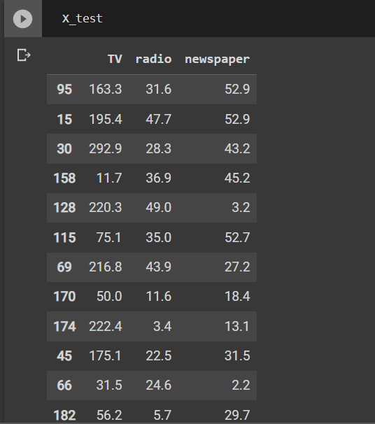
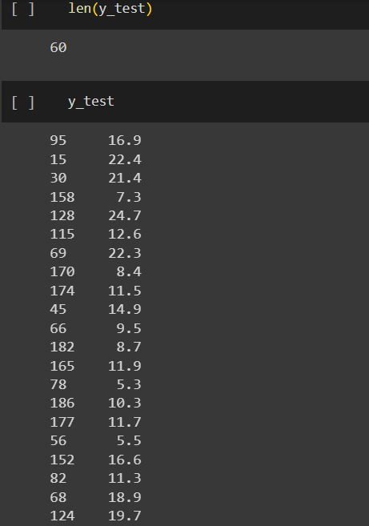
TRAIN | TEST | SPLIT

⇰REFERENCE (WEBSITE)-->Udemy Regarding Train_Test_Split
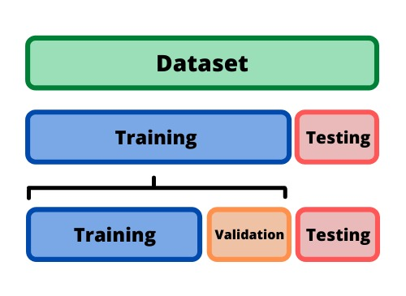 ⇰DEFINITION OF TRAIN-TEST-SPLIT →To fairly evaluate my model's performance, I don't want to evaluate it on the same data it was trained at. First we separates out the features and then it separates out the labels Further we'll separate out a training set and a test set Which Further Subdivide into 4 Components --> X train and Y train and then X test and y test the weights.

PARAMETERS FOR TRAIN | TEST | SPLIT | REFERENCE

⇰X_train→X_train Contains the Values of The Features (X1(Newspaper) ,X2(Radio) , X3(Television) This includes your all independent variables,these will be used to train the model, also as we have specified the test_size = 0.4, this means 60% of observations from your complete data will be used to train/fit the model and rest 40% will be used to test the model. | ⇰REFERENCE (Website)--> Stackoverflow Regarding TRAIN-TEST-SPLIT

⇰X_test→This is remaining 40% portion of the independent variables [Features(X1(Newspaper) ,X2(Radio) , X3(Television)] from the data which will not be used in the training phase and will be used to make predictions to test the accuracy of the model.
 | ⇰REFERENCE (Website)-> Stackoverflow RegardingTRAIN-TEST-SPLIT

⇰y_train→This is your dependent variable which needs to be predicted by this model, this includes category labels against your independent variables (Output =Total Sales), we need to specify our dependent variable while training/fitting the model.

 | ⇰REFERENCE (Website)-->(1.2 Google Colab Linear Regression Regarding Practical Implementation (Coding) of TRAIN | TEST SPLIT
⇰y_test→This data has category labels (Dependent Variable) (Output = Total Sales) for your test data, these labels will be used to test the accuracy between actual and predicted categories.

⇰test_size→test_size is the number that defines the size of the test set. It's very similar to train_size . You should provide either train_size or test_size . If neither is given, then the default share of the dataset that will be used for testing is 0.25 , or 25 percent. Especially in This Case test_size is 0.3 or 30% of Total Data Size.
 | ⇰REFERENCE (Website)-> Scikit Learn Regarding TRAIN-TESTS-SPLIT

⇰Random_state →Random_state is used to set the seed for the random generator so that we can ensure that the results that we get can be reproduced. Because of the nature of splitting the data in train and test is randomised you would get different data assigned to the train and test data unless you can control for the random factor. ↔Example-->For example, imagine you have numbers: 1,2,3,4,5 and you want to select two random numbers. Without using a random_state you would get different things: i.e. first 2,5 then 3,4 and so on.When you control the random generator by setting the random state to 0, 1 or another number, everyone would get the same random numbers generated: i.e random_state=1 then the random numbers are 1,3 and everyone who will pick two random numbers using random_state=1 from 1,2,3,4,5 will get the same two numbers as you: 1,3. →The random state hyperparameter is used to control any such randomness involved in machine learning models to get consistent results. We can use cross-validation to mitigate the effect of randomness involved in machine learning models. →Reason For Random State Usage--> ❶. We need t
 | ⇰REFERENCE (Website)-> Real Python Regarding TRAIN-TESTS-SPLIT

 | ⇰REFERENCE (Website)--> Geeks For Geeks Regarding Practical Impelentation (Coding) of TRAIN | TEST SPLIT

 | ⇰REFERENCE (Website)-> Scikit Learn Regarding TRAIN-TESTS-SPLIT

 | ⇰REFERENCE (Website)-> Real Python Regarding TRAIN-TESTS-SPLIT

⇰Shuffle Split→shuffle is the Boolean object (True by default) that focus on whether to shuffle the dataset before applying the split. →Reason For Random State Usage--> ❶.The other reason that we have a random state here is because what Sk learn is going to do when it calls train test split is it's actually going to shuffle the arrays first.So you'll notice here that it actually is calling a shuffle split.That's why main reason it's calling a shuffle split. ❷.If we See almost any Data set We can tell that more or less my data appears to be in no sort of sorted order.But for other data sets, it's not uncommon that when you read it in, it's actually already sorted for you. What we don't want to do is if our data set is in some sort of order or sorted is grab the first 70% of the rows for the train set and then the last 30% for the test set. Instead, we want to make sure that we shuffle everything first and then grab the 70% and 30%.That way I don't have an accidentally ordered data set and the test set happens to be all the highest sales and the training set is the lowest 70% of sales. That could be really dangerous as far as fairly evaluating and training your model. So instead we just alleviate any issues of that by shuffling the data set first.

 | ⇰REFERENCE (Website)-->(1.2 Google Colab Linear Regression Regarding Practical Implementation (Coding) of TRAIN | TEST SPLIT

 | ⇰REFERENCE (Website)--> 1.3 Google Colab (Polynomial Regression) Regarding Practical Implementation (Coding) of TRAIN | TEST SPLIT

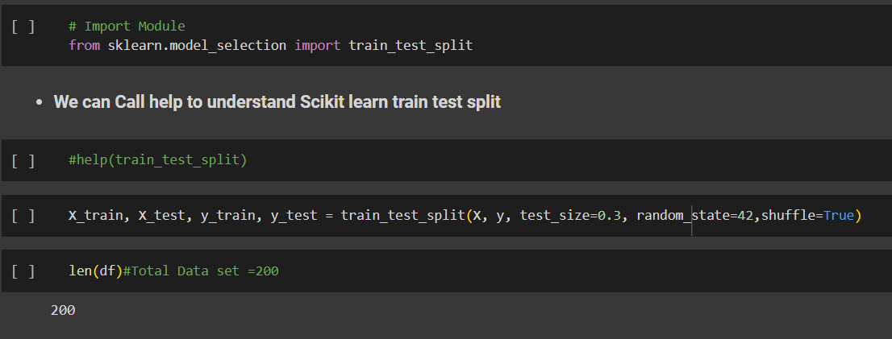 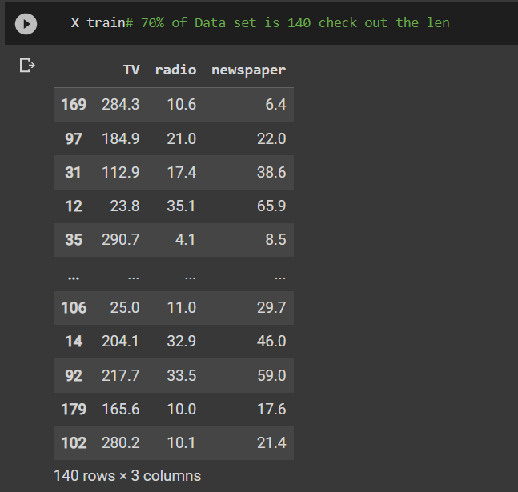 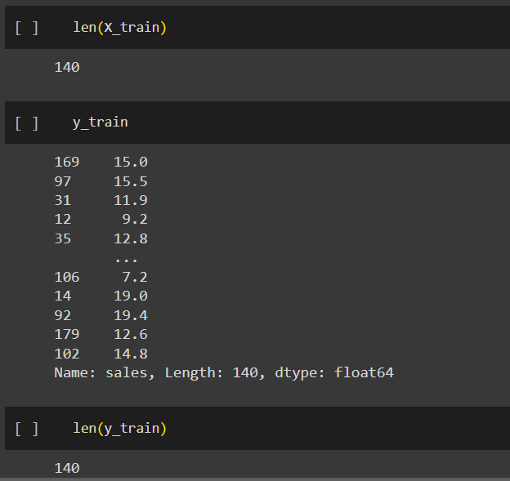 | ⇰REFERENCE (Website)-->(1.2 Google Colab Linear Regression Regarding Practical Implementation (Coding) of TRAIN | TEST SPLIT

Feature Scaling
2. (THEREOTICAL) FEATURE SCALING | REFERENCE

①What is Feature Scaling ? | ⇰REFERENCE (Website)-->Udemy Regarding Definition & Meaning & Definition as well as benefits of Feature Scaling
⇰Many machine learning algorithms perform better when numerical input variables are scaled to a standard range.This includes algorithms that use a weighted sum of the input, like linear regression, and algorithms that use distance measures, like k-nearest neighbors.

②What is Scale Invariance ? | ⇰REFERENCE (Website)-->Wikipedia Regarding Definition & Meaning of Scale Invariance
⇰In physics, mathematics and statistics, scale invariance is a feature of objects or laws that do not change if scales of length, energy, or other variables, are multiplied by a common factor, and thus represent a universality.

 | ⇰REFERENCE (You Tube)-->Feature Scale Importance For Gradient Descent By Priyanshu Vats
③Benefits of Feature Scaling ?
❶The most important benefit is that feature scaling improves the convergence of the steepest descent algorithms.And what we mean by that are algorithms like gradient descent in trying to minimize the lost function.Those gradient descent algorithms do not possess the property of Scale Invariance.

 | ⇰REFERENCE (You Tube)-->Code Basics(Hindi) Regarding Overall Thereotical Definition & Practical Implementation (Coding) of Cost Function or Line of Best Fit

❷So what we mean by that is that if you have features that are on different scales and you're trying to use something like gradient descent to figure out the optimal coefficients, certain weights for those coefficients may update faster than others, since the feature values may play a role in those coefficient or weight updates.

❸Essentially what we mean is, if you can imagine gradient descent in multiple dimensions and you have some features on much different or much larger scales than others, then the weights that are being restricted to those really large scales are going to take longer to update than the scales for features that are much smaller.And so what you want is that all the features are on roughly the same scale.
 | ⇰REFERENCE (You Tube) --> Krishna Naik Regarding Overall Implementation & Def & Why and When Should we Perform Feature Normalization?

❹That way, the gradient descent as far as the convergence of the optimal coefficients or weights can take around the same amount of time for each of those features.So that really is the critical benefit of feature scaling.
 | ⇰REFERENCE (Website)--> Scikit Learn Regarding Practical Implementation & Definition of Feature Scaling (Especially Standard Scaler)

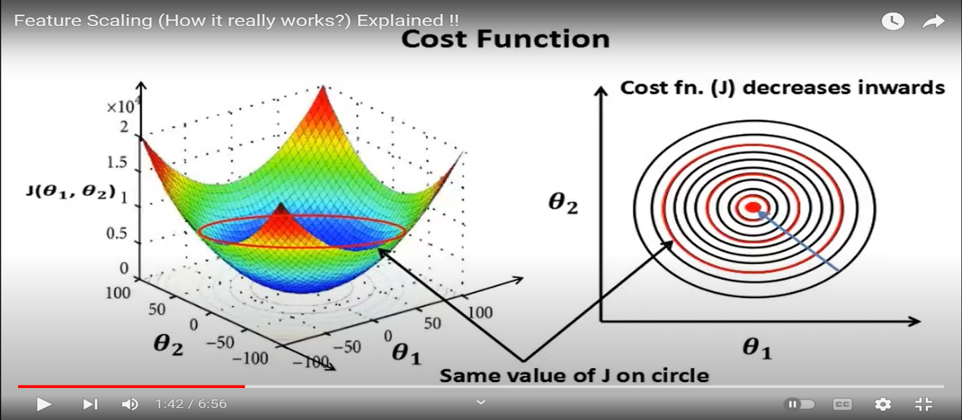

 | ⇰REFERENCE (Website)-->Udemy Regarding Definition & Meaning & Definition as well as benefits of Feature Scaling

 | ⇰REFERENCE (You Tube)-->Feature Scale Importance For Gradient Descent By Priyanshu Vats

 | ⇰REFERENCE (You Tube)-->Code Basics(Hindi) Regarding Overall Thereotical Definition & Practical Implementation (Coding) of Cost Function or Line of Best Fit

④Caveats (Warrning) of Using Feature Scaling in Various Models ?

⇰Must Always Scale new Unseen data Before Feeding to Model. ⇰Effect Direct Interpretability of Feature Coefficients. ❶Easier to Compare coefficients to one another , harder to relate back to original unscaled feature

 | ⇰REFERENCE (Website)-->Geeks For Geeks Regarding ML | Feature Scaling – Part 2

B. TYPES OF FEATURE SCALING | REFERENCE

①STANDARDIZATION (Standard Scaler) Or Z score Normalization | ⇰REFERENCE (Website)--> Scikit Learn Regarding Practical Implementation & Definition of Feature Scaling (Especially Standard Scaler)
⇰Standardization Rescales data to have a mean that is mu of 0 and a standard deviation of 1, which means you're essentially standardizing all your data to follow a standard normal distribution so you could have negative values there. Name Sake Can be confusing since this also referred as Z score normalization ⇰Name Sake Can be confusing since this also referred as Z score normalization ⇰Standardization scales each input variable separately by subtracting the mean (called centering) and dividing by the standard deviation to shift the distribution to have a mean of zero and a standard deviation of one. ⇰In Simple Words Standardization Mean Rescaling Data to have mean (μ) of 0 & Standard Deviation (σ) of 1 Unit Variance) .

 | ⇰REFERENCE (Website)-->Udemy Regarding Definition & Meaning & Definition as well as benefits of Feature Scaling

 | ⇰REFERENCE (Website)-->Machine Learning Mastery Regarding Thereotical & Practical (Coding) Implementation Regarding Meaning & Understanding of 1st Types of Feature Scaling That is Standardization
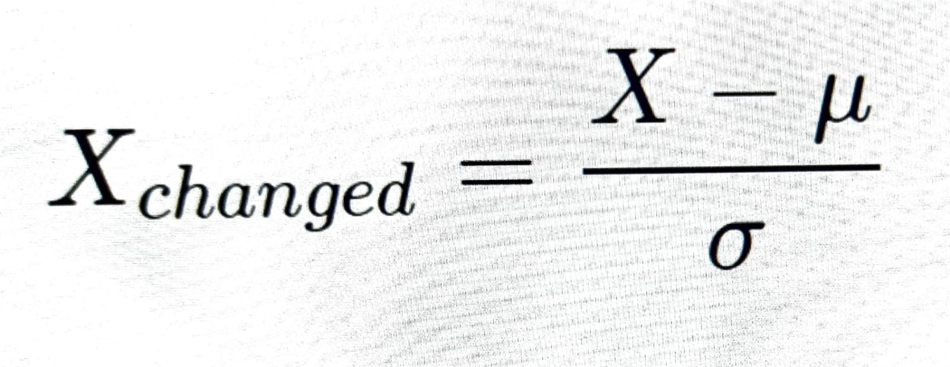

 | ⇰REFERENCE (You Tube)-->Feature Scale Importance For Gradient Descent By Priyanshu Vats

 | ⇰REFERENCE (You Tube)-->Code Basics(Hindi) Regarding Overall Thereotical Definition & Practical Implementation (Coding) of Cost Function or Line of Best Fit
❶PRACTICAL IMPLEMENTATION OF PLOTTING TYPES OF FEATURE SCALING (STANDARDIZATION) IN 1.3 POLYNOMIAL REGRESSION & FEATURE SCALING

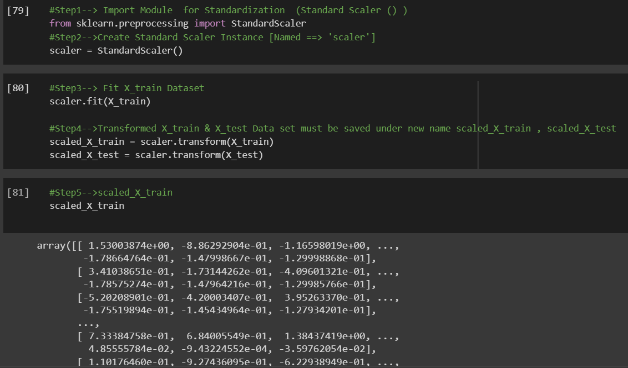

 | ⇰REFERENCE (Website) --> 1.3 Google Colab (Polynomial Regression & Feature Scaling) Regarding Practical Implementation & (Coding) 1st Types of Feature Scaling That is == (Standardization) Standard Scaling

 | ⇰REFERENCE (Website)-->Analytics Vidhya Regarding Meaning of Feature Scaling & Types of Feature scaling 1. Standardization 2.Normalization

 | ⇰REFERENCE (Website)-->Scikit Learn Regarding Practical Implementation & Definition of Feature Scaling (Especially Min-Max Scaler)

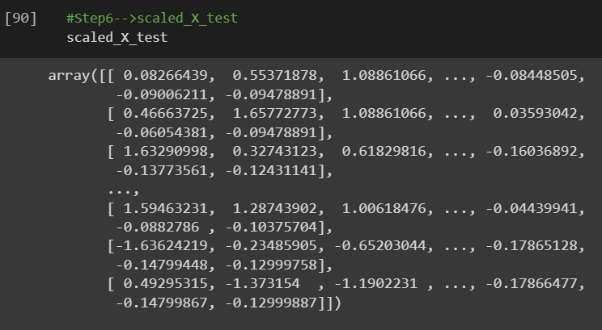

 | ⇰REFERENCE (Website)-->Analytics Vidhya Regarding Meaning of Feature Scaling & Types of Feature scaling 1. Standardization 2.Normalization

②NORMALIZATION (Min Max Scaler)
⇰Normalization scales each input variable separately to the range 0-1, which is the range for floating-point values where we have the most precision. ⇰Normalization in regards to feature scaling is going to scale all data values to be between zero (0) and one (1) & the way it does this is by using the minimum x value and the maximum x value, in which case for each feature, what you're going to do is take the feature, subtract the minimum value, and then divide it by the difference between the max value and the minimum value.And that essentially scales all the data points to be between zero and one. | ⇰REFERENCE (Website)-->Machine Learning Mastery Regarding Thereotical & Practical (Coding) Implementation Regarding Meaning & Understanding of 1st Types of Feature Scaling That is Standardization

 | ⇰REFERENCE (You Tube)-->Feature Scale Importance For Gradient Descent By Priyanshu Vats

 | ⇰REFERENCE (Website)-->Scikit Learn Regarding Practical Implementation & Definition of Feature Scaling (Especially Min-Max Scaler)

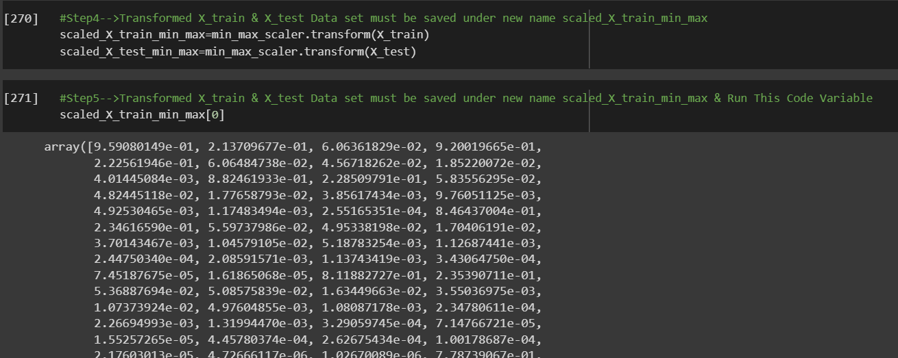 | ⇰REFERENCE (Website) --> 1.3 Google Colab (Polynomial Regression & Feature Scaling) Regarding Practical Implementation & (Coding) 2nd Types of Feature Scaling That is == (Normalization)

 | ⇰REFERENCE (Website)--> Scikit Learn Regarding Practical Implementation & Definition of Feature Scaling (Especially Standard Scaler)

 | ⇰REFERENCE (Website)-->Udemy Regarding Definition & Meaning & Definition as well as benefits of Feature Scaling

 | ⇰REFERENCE (You Tube)-->Feature Scale Importance For Gradient Descent By Priyanshu Vats

 | ⇰REFERENCE (You Tube)-->Code Basics(Hindi) Regarding Overall Thereotical Definition & Practical Implementation (Coding) of Cost Function or Line of Best Fit

